WEB UI
TestID | Scenario | Test Tittle | Pre Condition | Test Type | Test Data | Test Step | Expected Result | Planned Date | Actual Result | Execution Date | Status | documentation | Ask
TC001 | User | User register using fullname, email and password | 1. Given user in homepage 2. Navigate user into Login Page 3. Open Regsiter form | Positive | Fullname: ${fiqram} email: ${fiqram@gmail.com} password: ${cukul} | 1. User fill fullname form 2. User fill email form 3. User fill password form 3. User click register button 4. User navigate to login page | User navigate into login page | 2022-03-11 | User navigate into login page | 2022-09-11 | Passed | 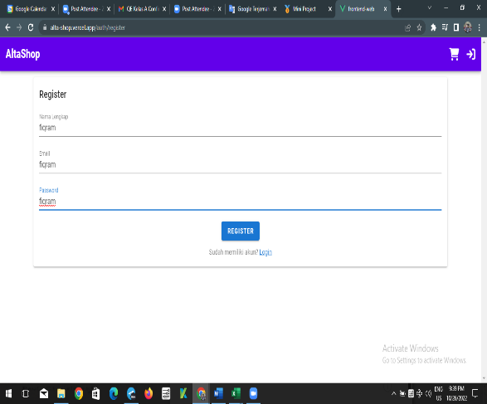
TC002 |  | User register using blank fullname, username ,and password | create user don't success | Negative | Fullname: ${ } email: ${ } password: { } | 1. User fill blank fullname form 2. User fill blank email form 3. User fill blank password form 3. User click register button 4. User navigate to login page | Show error messages | 2022-03-11 | Show error messages | 2022-09-11 | Passed | 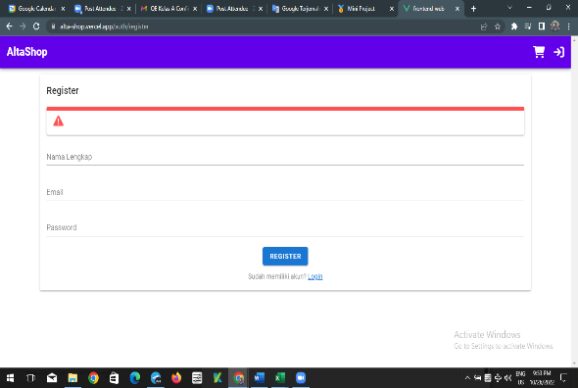
TC003 |  | User Register Using fullname, username, and password | Create User don't success | Negative | Fullname { cukul } email { cukul } password { ganteng } | 1. User fill fullname form 2. User fill email form 3. User fill password form 3. User click register button 4. User navigate to login page | Show Errow messages cause Fill email should use @gmail | 2022-03-11 | User succes Create without @gmail key | 2022-09-11 | Failed | 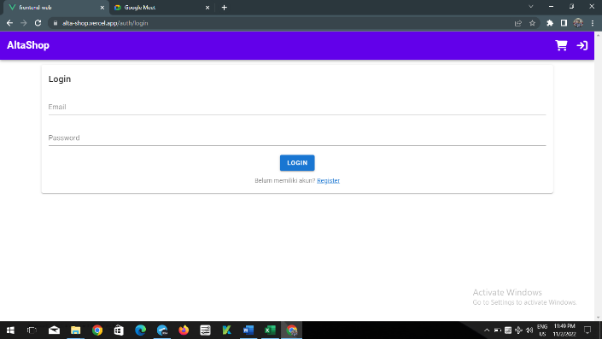
TC004 |  | user register using fullname, password and blank username | create user don,t success | Negative | FullName : $ { Fiqram} email : $ {{ } password { cukul } | 1. user fill fullname form 2. user fill blank username form 3. user fill password form 4. User Navigate to login page | Show Error messages | 2022-03-11 | Show error Messages | 2022-09-11 | Passed | 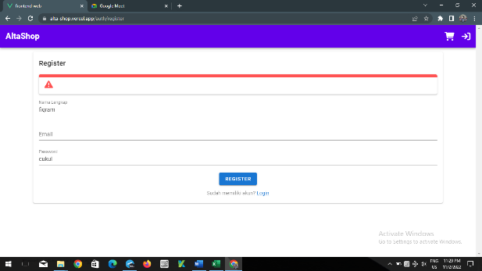
TC005 |  | User login using valid account | User succes login valid account 1. Given user in homepage 2. Navigate user into Login Page | Positive | email:${fiqram} password:${cukul} | 1. User fill email form 2. User fill password form 3. User click Login button | User navigate into home and login icon change to profile icon | 2022-03-11 | User navigate into home and login icon change to profile icon | 2022-09-11 | 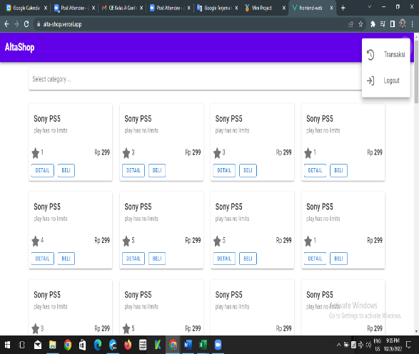 Passed
TC006 |  | User login using blank email and password | user don't success to login page | Negative | email : { } pass : { } | 1. User blank email 2. user blank 3. user click login button | show error messages and user stay at login page | 2022-03-11 | show "record not found" and user stay at login page | 2022-09-11 | Passed | 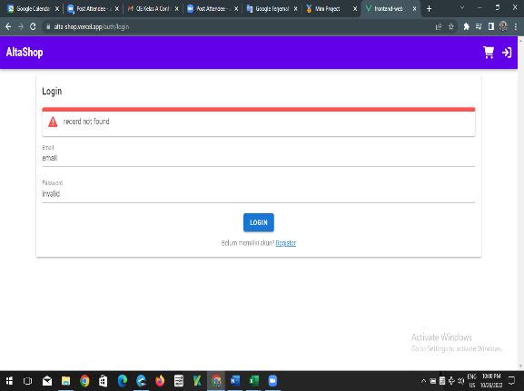
TC007 |  | User login using valid account but invalid password | 1. Given user in homepage 2. Navigate user into Login Page | Negative | email:${email} password:${invalidpassword} | 1. User fill email form 2. User fill password form 3. User click Login button | show error messages and user stay at login page | 2022-03-11 | show "record not found" and user stay at login page | 2022-09-11 | Passed | 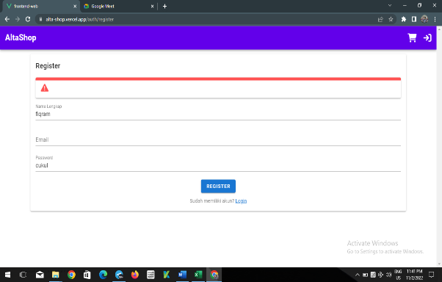
TC008 |  | User logout from account | Given user already logged in | Positive |  | 1. User click profile icon at navbar 2. User choose Log Out Option 3. User navigate to home page | User navigate to homepage and profile icon change to login icon | 2022-03-11 | User navigate to homepage and profile icon change to login icon | 2022-09-11 | Passed | 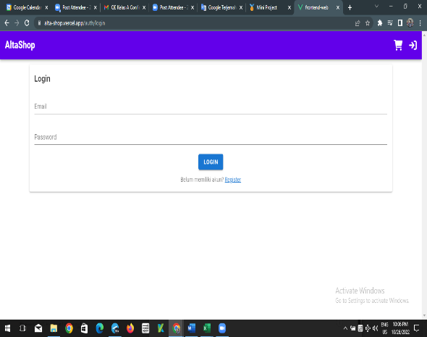
TC009 | Filter | User click button category filter | 1. User open website url | Positive |  | 1. User click button category 2. User choose category 3. The product by category is showed | show all category from field product | 2022-03-11 | show all category product | 2022-09-11 | Passed | 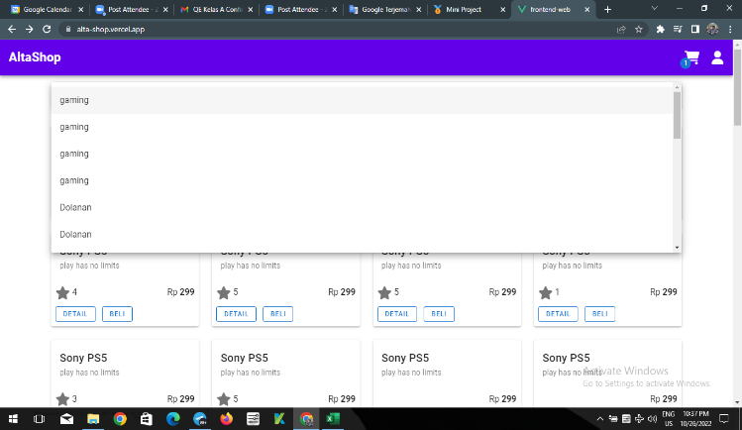
TC010 |  | User click button gaming from choose all category field | User already to shopping history | Positive |  | 1. Run TC003 2. User Clicking button 3. not product are showed | nothing Product are showed | 2022-03-11 | Product is empty | 2022-09-11 | Passed | 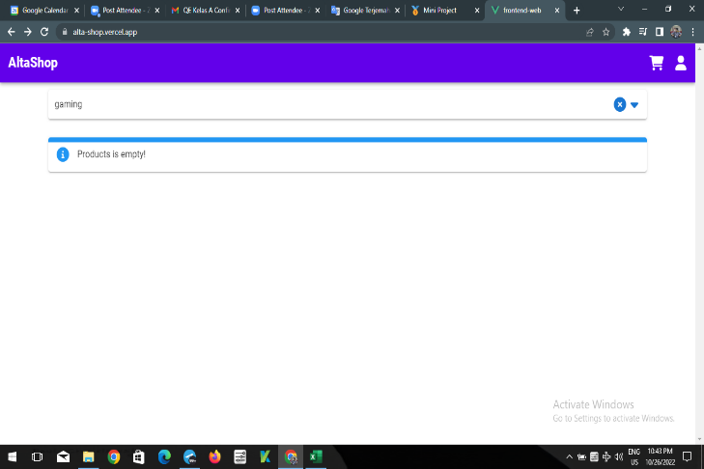
TC011 | Order | User order a product | 1. User already login account 2. User open homepage | Positive |  | 1. User open transaction page 2. User get count of produt transaction 3. User navigate to homepage 4. User choose the product 5. User click beli button where choosen product 6. User click cart button icon 7. User verify the product name 8. User click 'Bayar' Button 9. User navigate to transaction page and verify the product are added | product has been added to transaction | 2022-03-11 | product has been added to transaction | 2022-09-11 | Passed | 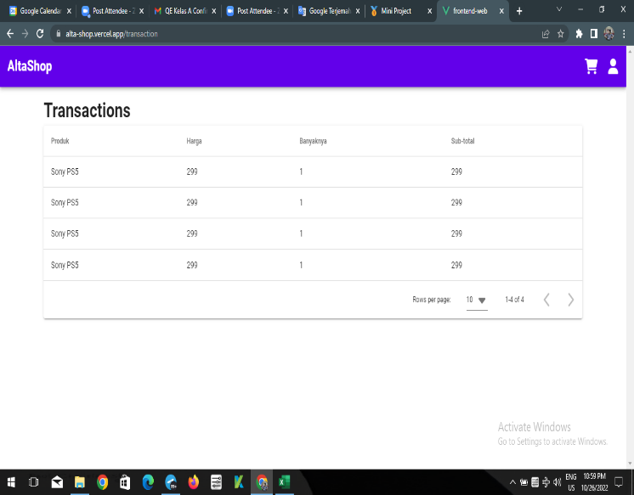
TC012 |  | User order a product but without login | 1. User open homepage | Negative |  | 1. User navigate to homepage 2. User choose the product 3. User click beli button where choosen product 4. User click cart button icon 5. User verify the product name 6. User click 'Bayar' Button 9. User navigate to login page | User cant checkout product and navigate to login page | 2022-03-11 | User cant checkout product and navigate to login page | 2022-09-11 | Passed | 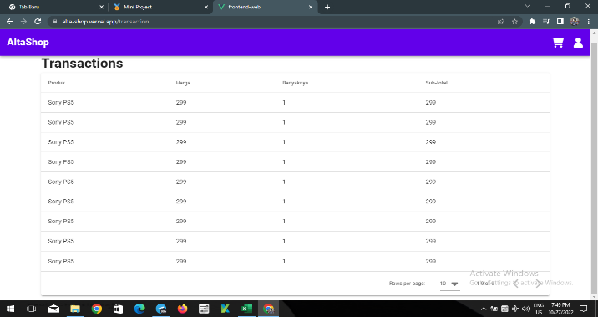
TC013 |  | User deleting product from the cart | 1. User open homepage | Negative |  | 1. User navigate to homepage 2. User choose the product 3. User click beli button where choosen product 4. User click cart button icon 5. User verify the product name 6. User click '-' button 7. User verify 'bayar button' aren't showed | Button delete in icon transaksi | 2022-03-11 | Button delete nothing in icon transaksi | 2022-09-11 | failed | 
TC014 | Ratings | User Add Product Rating | 1. User already login account 2. User open homepage | Negative |  | 1. User select product and click 'detail' button 2. User clicking star button according number of rate | Rating will showed according rating value | 2022-03-11 | Rating value cant added | 2022-09-11 | Failed | 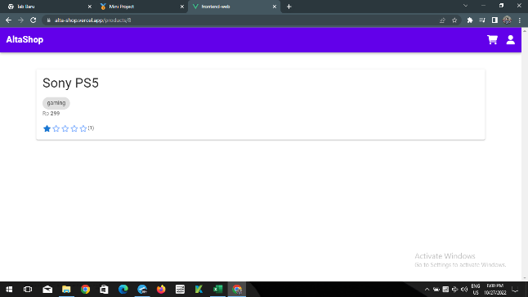
TC015 |  | User Add Product Rating without login | 1. User open homepage | Positive |  | 1. User select product gaming and click 'detail' button 2. User get the initial rating 3. User clicking star button according number of rate 4. The initial rating are same with new rating | Rating value is equal to initial rating | 2022-03-11 | Rating value is equal to initial rating | 2022-09-11 | 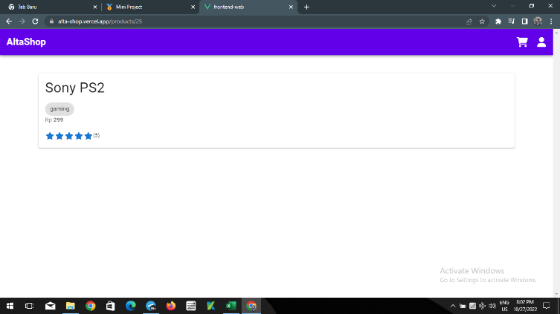 Passed
TC016 | History | User view order history | 1. User already login account 2. User open homepage | Positive |  | 1. User click profile icon at navbar 2. User click transactions option 3. User navigate to transactions page | Transactions History are showed | 2022-03-11 | Transactions History are showed | 2022-09-11 | Passed | 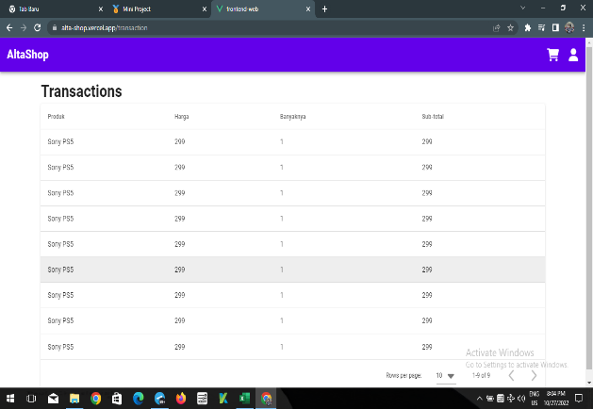
TC017 |  | User view order history without login | User open homepage | Negative |  | 1. User click profile icon at navbar 2. User click logout 3. User navigate to Login Page 4. User click button transaction | Transaction History Can't showed and user navigated to login page | 2022-03-11 | Transction History Can't showed and user navigate to login page | 2022-09-11 | Passed | 
 |  |  |  |  |  | \

API TEST
i |  | i
TestID | Scenario | Test Tittle | Pre Condition | Test Type | Test Data | Test Step | Expected Result | Planned Date | Actual Result | Execution Date | Status | documentasi | Ask
TC001 | Products | User get all data Product | User Opening testing software Katalon | Positive |  | 1. Set method get 2. Set URLhttps://alta-shop.herokuapp.com/api/products 3. Set body parameter(using data) 4. Send Request 5. Verify result 200 6. Verify response body properties | Response 200 | 2022-11-03 | Response 200 | 2022-11-09 | Passed | 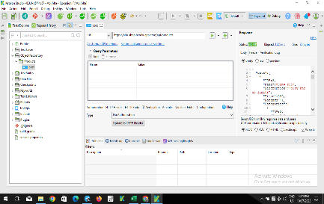
TC002 |  | User Create new product using number data type | User Opening testing software | Positive | { "name":"maulana", "description":"Membuat rancangan", "price":299, "categories":[ 2 ] } | 1. Set method POST 2. Set URL https://be-qa.alta.id/api/categorys 3. Set body parameter(using data) 4. Send Request 5. Verify result 400 6. Verify response body properties | Response 200 and show it data raw | 2022-11-03 | Response 200 | 2022-11-09 | Passed | 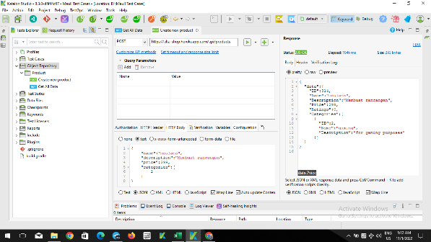
TC003 |  | User get all product by ID | User Opening testing software | Negative |  | 1. Set method GET 2. Set URL https://alta-shop.herokuapp.com/api/products/0 3. Send Request 3. Verify result 200 | Response 200 | 2022-11-03 | Response 400 and body messages "record not found" | 2022-11-09 | failed | 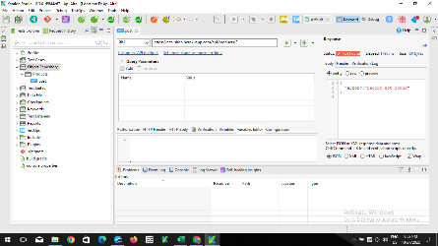
TC004 |  | User update data Product | User Opening Testting Software | Negative | { "name":"Sony PS5", "description":"play has no limits", "price":299, "categories":[ 2 ] } | 1. Set Method Put 2. Set URL https://alta-shop.herokuapp.com/api/products 3. send request 4. verify response body properties | Response 405 | 2022-11-03 | Response 405 and body messages "method not allowed" | 2022-11-09 | passed | 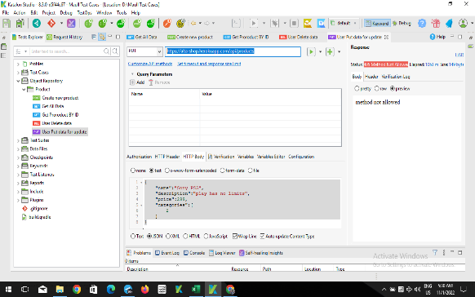
TC005 |  | User delete list all product | User Opening testing software | Positive |  | 1. Set method DELETE 2. Set URL https://alta-shop.herokuapp.com/api/products/1 3. Send Request 3. Verify result 404 | Response 200 | 2022-11-03 | Response 200 | 2022-11-09 | Passed | 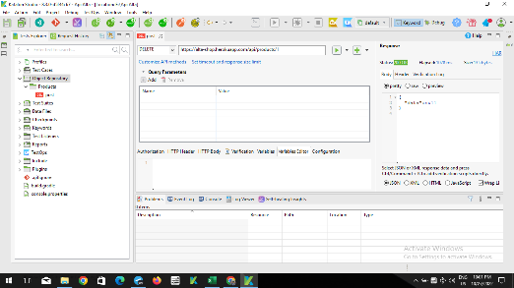
TC006 | Category product | User Create a Category Product | User Opening testing software | Positive | { "name":"maulana", "description":"unch" } | 1. Set method POST 2. Set URL https://alta-shop.herokuapp.com/api/categories 3. Set body parameter(using data) 4. Send Request 5. Verify result 200 6. Verify response body properties | Response 200 | 2022-11-03 | Response 200 | 2022-11-09 | 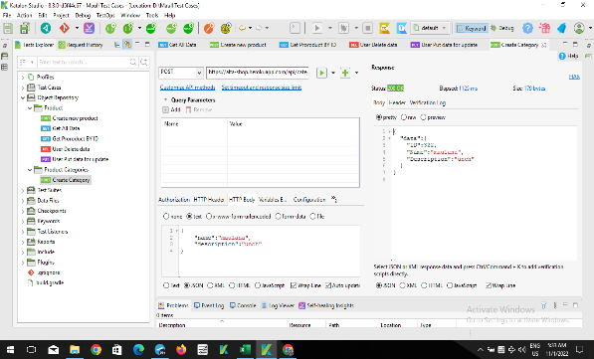 Passed
TC007 |  | User view a Category by ID | User Opening testing software | Positive |  | 1. Set method GET 2. Set URL https://alta-shop.herokuapp.com/api/categories/2 3. Set body parameter(using data) 4. Send Request 5. Verify result 200 6. Verify response body properties | Response 200 | 2022-11-03 | Response 200 | 2022-11-09 | Passed | 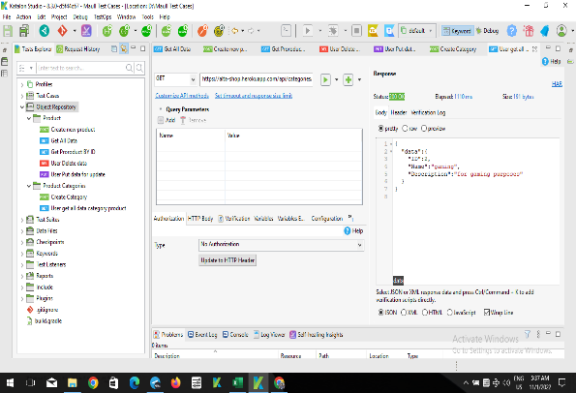
TC008 |  | User get all categories | User Opening testing software | Positive |  | 1. Set method GET 2. Set https://alta-shop.herokuapp.com/api/categories 3. Send Request 4. Verify result 200 5. Verify response body properties | Response 200 | 2022-11-03 | Response 200 | 2022-11-09 | Passed | 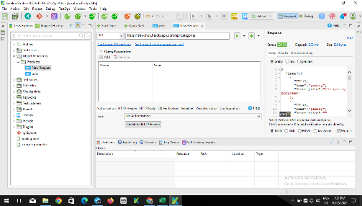
TC009 |  | User Put category | User Opening testing software | Negative | { "ID": 3, "Name": "gaming", "Description": "" } | 1. Set method Put 2. Set URL https://be-qa.alta.id/api/products/${categoriesid} 3. Send Request 4. Verify result 400 5. Verify response body properties | Response 405 | 2022-11-03 | Response 405 | 2022-11-09 | passed | 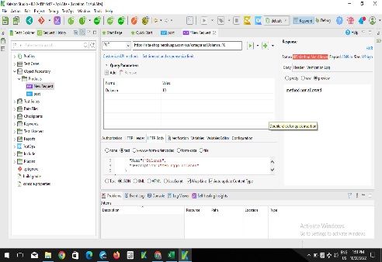
TC012 | Auth | User create new account with passoword | User Opening testing software | Negative | { "email":"maull@mail.com", "password":"19002020", "fullname":"Fqram maull" } | 1. Set method POST 2. Set URLhttps://alta-shop.herokuapp.com/api/auth/register 3. Set body parameter(using data) 4. Send Request 5. Verify result 200 6. Verify response body properties | Response 200 | 2022-11-03 | Response 200 | 2022-11-09 | Passed | 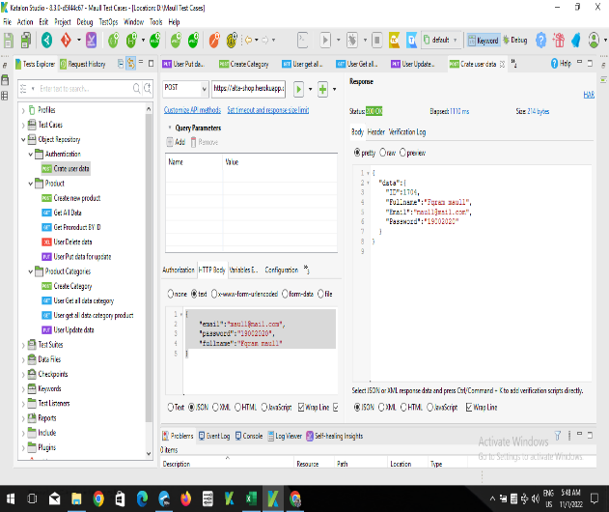
TC013 |  | User Login Account | User Opening testing software | Positive | { "email":"someone@mail.com", "password":"123123" } | 1. Set method POST 2. Set URL https://alta-shop.herokuapp.com/api/auth/register 3. Set body parameter(using data) 4. Send Request 5. Verify result 400 6. Verify response body properties | Response 200 | 2022-11-03 | Response 200 but blank data | 2022-11-09 | Failed | 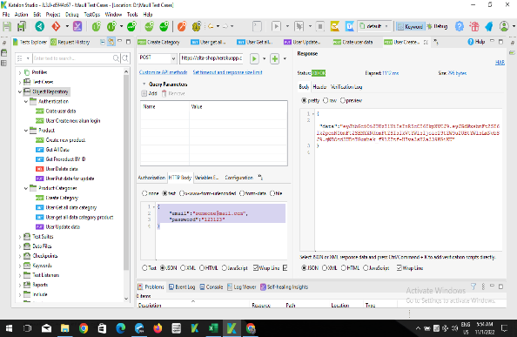
TC014 |  | User Get information by ID | User Opening testing software; User Already account | negative |  | 1. Set method Get 2. Set URL https://alta-shop.herokuapp.com/api/auth/login 3. Set body parameter(using data) 4. Send Request 5. Verify result 200 6. Get response body properties | Response 200 | 2022-11-03 | Response 404 Not found | 2022-11-09 | Failed | 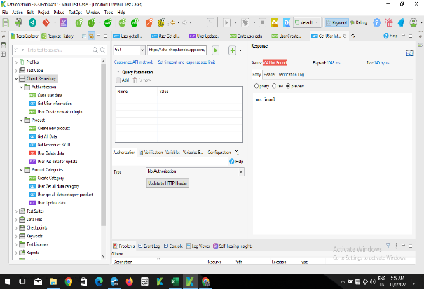
TC015 |  | User Get all data information | User Opening testing software | Negative |  | 1. Set method GET 2. Set URL https://alta-shop.herokuapp.com/api/auth/info 3. Set body parameter(using data) 4. Send Request 5. Verify result 400 6. Get response body properties | Response 200 | 2022-11-03 | Response 401 and response body "unauthorized' | 2022-11-09 | Failed | 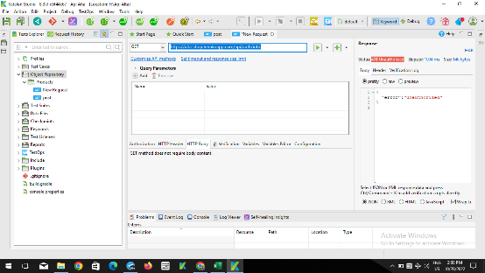
TC016 | Hello | User get data helo | 1. User Opening testing software | Positive |  | 1. Set method GET 2. Set URLhttps://alta-shop.herokuapp.com/api/hello 3. Set body parameter(using data) 4. Send Request 5. Verify result 200 6. Verify response body properties | Response 200 | 2022-11-03 | Response 200 | 2022-11-09 | Passed | 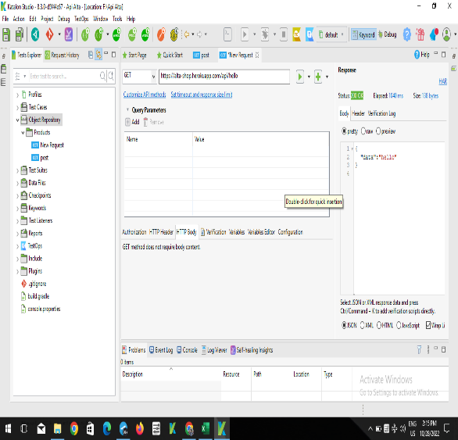
TC017 |  | User create data hello | 1. User Opening testing software | Negative | { "data":"hello" } | 1. Set method POST 2. Set URL https://alta-shop.herokuapp.com/api/hello 3. Set body parameter(using data) 4. Send Request 5. Verify result 200 6. Verify response body properties | Response 405 | 2022-11-03 | Response 405 | 2022-11-09 | Passed | 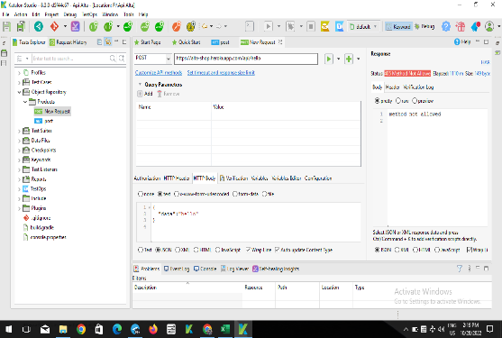
TC020 | Orders | User Create new order | User Already have token 1. User Opening testing software | Positive | { "product_id":2, "quantity":1 } | 1. Set method POST 2. Set URL https://alta-shop.herokuapp.com/api/orders 3. Set body parameter(using data) 4. Send Request 5. Verify result 200 6. Verify response body properties | Response 200 | 2022-11-03 | Response 401 | 2022-11-09 | Failed | 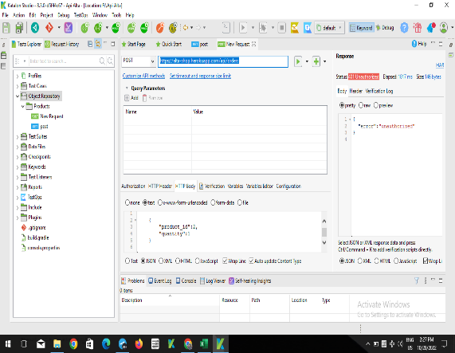
TC021 |  | User get all orders | User Opening testing software | Negative |  | 1. Set method Get 2. Set https://alta-shop.herokuapp.com/api/orders 3. Set body parameter(using data) 4. Send Request 5. Verify result 401 6. Verify response body properties | Response 200 | 2022-11-03 | Response 401 | 2022-11-09 | Failed | 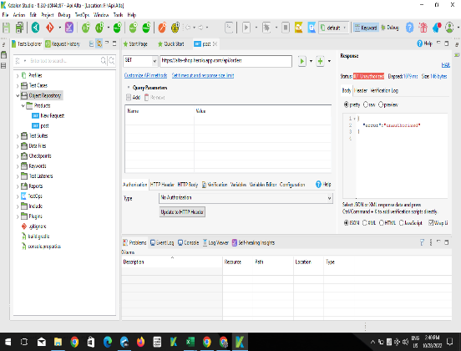
TC022 |  | User view order by ID | User Opening testing software | Positive |  | 1. Set method GET 2. Set URL https://alta-shop.herokuapp.com/api/orders/1 3. Verify result 200 4. Send Request | Response 200 | 2022-11-03 | Response 401 | 2022-11-09 | Failed | 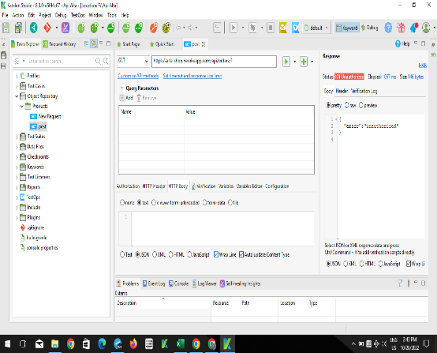

Mobile
TestID | Scenario | Test Tittle | Pre Condition | Test Type | Test Data | Test Step | Expected Result | Planned Date | Actual Result | Execution Date | Status | Documentation | Ask+H5A5:N11
TC001 | Register | Register with valid account | User have installed application | Positive | fullname: ${ikram} email: $ { ikram@gmail.com} pass: ${ cull} | 1. User opening application 2. User tap login icon 3. User navigate to login page 4. User tap register button link 5. User fill form name 6. User fill form email 7. User fill form password 8. User tap register button | User are succesfully register and navigate to loginpage | 2022-11-03 | User are succesfully register and navigate to homepage | 2022-11-09 | Failed | 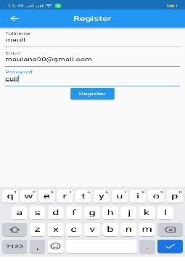
TC002 |  | User register with exiting account | 1. User have installed application 2. User have register account | Negative | fullname:${userName} email:${userEmail} password:${userPassword} | 1. User opening application 2. User tap login icon 3. User navigate to login page 4. User tap register button link 5. User fill form name 6. User fill form email 7. User fill form password 8. User tap register button | User unsuccessfully register and stay in register page | 2022-11-03 | User unsuccessfully register and stay in register page | 2022-11-09 | Passed
TC003 | Login | User Login with valid account | 1. User have installed application 2. User have register account | Positive | fullname: ${ikram} email: $ { ikram@gmail.com} pass: ${ cull} | 1. User opening application 2. User tap login icon 3. User navigate to login page 4. User fill form email 5. User fill form password 6. User tap login button | User succesfully login and navigate to homepage | 2022-11-03 | User succesfully login and navigate to homepage | 2022-11-09 | Passed | 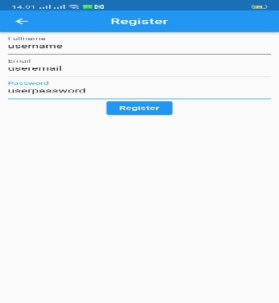
TC004 |  | User Login with invalid passowrd | 1. User have installed application 2. User have register account | Negative | email:${userEmail} password:${InvalidUserPassword} | 1. User opening application 2. User tap login icon 3. User navigate to login page 4. User fill form email 5. User fill form password 6. User tap login button | User unsuccessfully login and stay in login page | 2022-11-03 | User unsuccessfully login and stay in login page | 2022-11-09 | Passed | 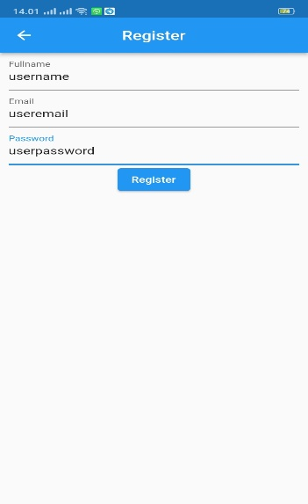
TC005 | LogOut | User LogOut From the account | 1. User have installed application 2. User have login account | Positive |  | 1. User tap logout icon | User succesfully logout and navigate to homepage | 2022-11-03 | User succesfully logout and navigate to homepage | 2022-11-09 | Passed | 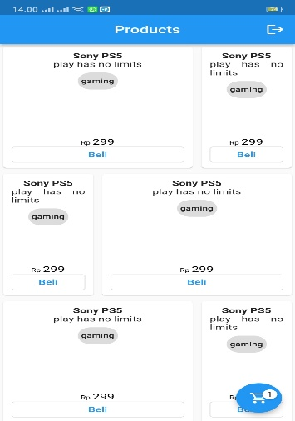 \
TC006 | Order | User add transaction into cart | User have installed application | Positive |  | 1. User opening application 2. User tap Beli button 3. Item added to cart 4. User navigate to cart page 5. User tap Bayar button | Item succesfully add to transactions | 2022-11-03 | Cant Open Cart Page | 2022-11-09 | Failed | Cart Button cant click

